Workout
Consolidation

Workout
 | Calculate goodwill assuming the equity purchase price is 2,500MM and all balance sheet items are at fair value.

 |  |  | Latest year | Earliest year
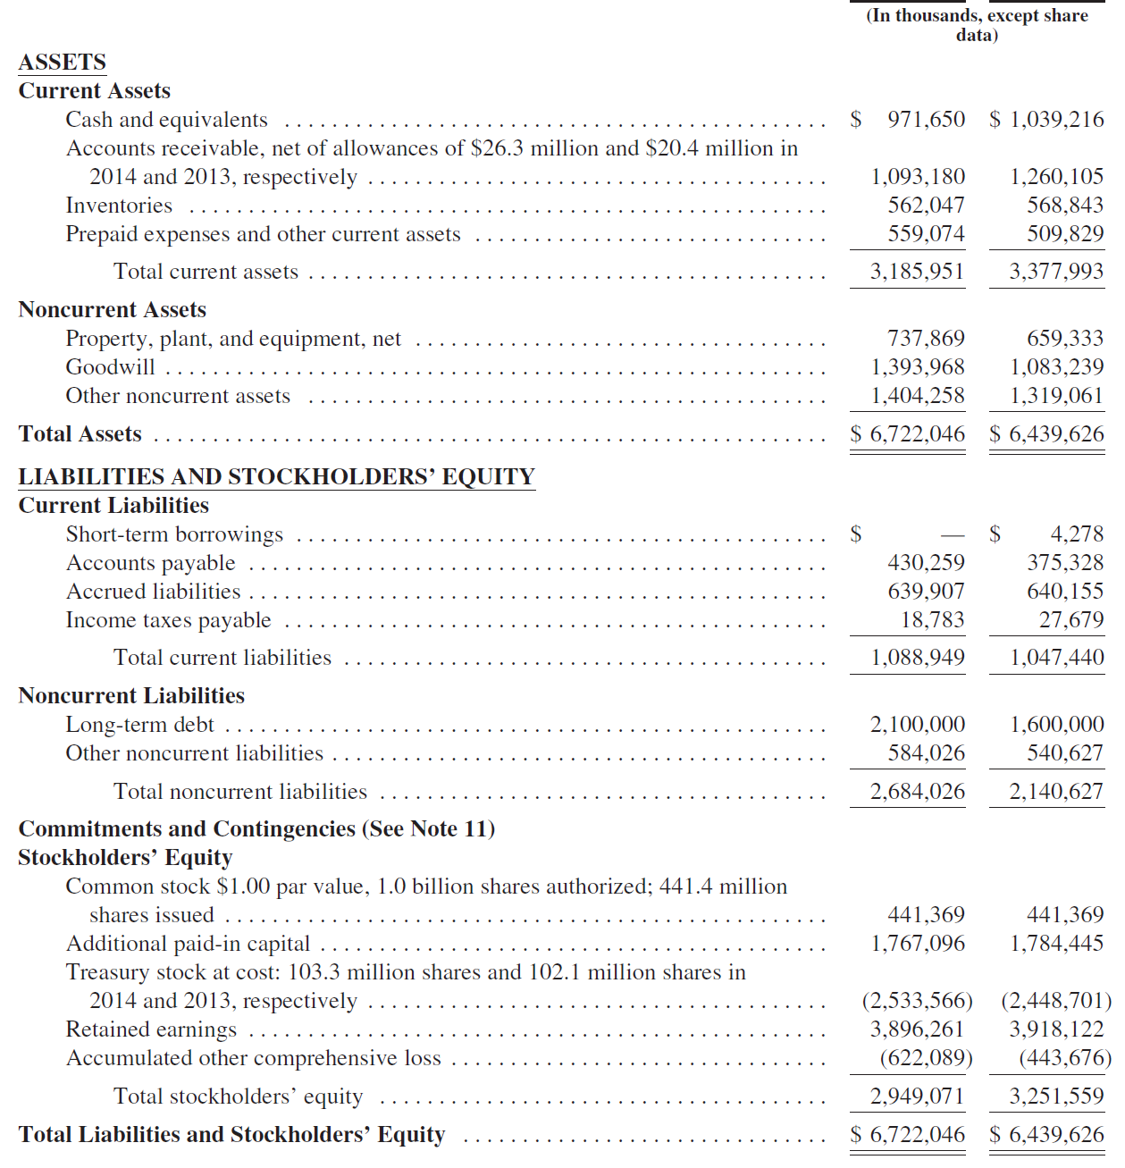

 | Goodwill calculation
 | Equity purchase price | 2,500,000.0

 | Shareholders' equity at book amount | 2,949,071.0
 | Step down existing goodwill to fair value | (1,393,968.0)
 | Shareholders' equity at fair value | 1,555,103.0

 | Deal goodwill | 944,897.0

End

